Contents
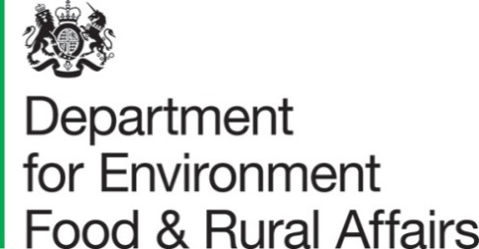

 |  | Structure of the agricultural industry in England and the UK at June - GOV.UK (www.gov.uk)

Numbers of commercial holdings and key land areas/livestock types by size band at June each year: United Kingdom

 | Contents
 | Area size bands
 | Livestock size bands

 | Enquiries on this dataset to: Farm Surveys Team
 | Farming Statistics, Department for Environment, Food and Rural Affairs.
 | Tel: 03000 600170, email: farming-statistics@defra.gov.uk

 | Last updated: August 2022

